READ ME
SAP
MEASURES SPREADSHEET
Step by step guide

Instructions |  | Rules of the sheet:
Step 1: | Complete "Project Details" tab in full |  | Editable cells
Step 2: | Create a duplicate of the Master tab ("Unit xx") and rename with your dwelling reference. The tab naming should match the Sample Schedule tab within "Project Details" |  | Non-editable cells
Step 3: | Complete "Unit tab" as needed following the instructions, notes, and Rules (see right) as needed |  | Drop down list
 | Collumns B and P should be used to reference the colours used to mark up the relevant lengths in Bluebeam |  | Link has been created to other cells (e.g. thermal bridging)
 | Insert links to marked up PDF files as indicated
Step 4: | Issue to reviewer for comment
Step 5: | Reviewer to carry out QA following guidance below.
Step 6: | Update following review and use measurements to complete Design SAP calculations

QA Rules:
When carrying out the QA, please use the following process:
QA mark up within the workbook |  | Example of QA recording
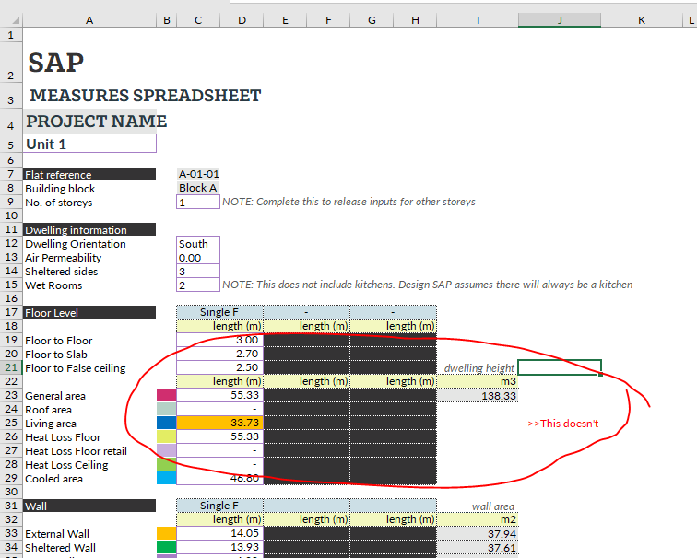
 | Error within cell
AaBbCc | Comment on error found in line with the associated cell (see example to the right)

Following review, the tabs should be coloured based on level of ammendment:
Tab colours:
 | To be QA'd
 | Pass QA with no ammendments needed
 | Minor ammendments required
 | Significant ammendments required
 | QA carried out and ammendments made, ready to use for Design SAP
This will provide an indication of what areas need ammendments and what can be ignored.
Once the ammendments have been made, change the tab colour to grey.
At this point, the measurements can be used

Architypes
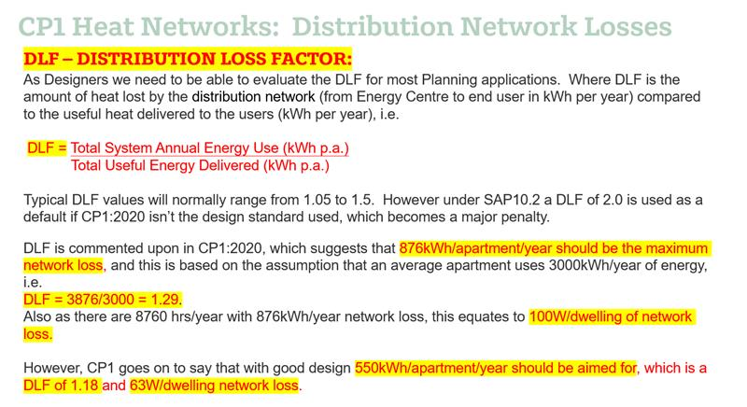
THERMAL PERFORMANCE | Be Lean | Be Green | THERMAL BRIDGING
Wall | 0.18 | 0.18 | Ref | Junction detail applicable to the whole junction | 2021 Notional Ψ (W/m.K)
Window U-value | 1.2 | 1.2 | E1 | Steel lintel with perforated steel base plate | 0.05
Window g-value | 0.45 | 0.45 | E2 | Other lintels (including other steel lintels) | 0.05
Window frame factor | 0.8 | 0.8 | E3 | Sill | 0.05
Roof | 0.11 | 0.11 | E4 | Jamb | 0.05
Ground-contact floor | 0.13 | 0.13 | E5 | Ground floor (normal) | 0.16
Exposed floor | 0.15 | 0.15 | E19 | Ground floor (inverted) | 0.07
Sheltered wall | 0.2 | 0.2 | E20 | Exposed floor (normal) | 0.32
Shelter factor | 0.6 | 0.6 | E21 | Exposed floor (inverted) | 0.32
Door | 1 | 1 | E22 | Basement floor | 0.07
 |  |  | E6 | Intermediate floor within a dwelling | 0
VENTILATION |  |  | E7 | Party floor between dwellings (in blocks of flats) | 0.07
Mech vent present | yes | yes | E8 | Balcony within a dwelling, wall insulation continuous | 0
ventilation data type | DataSheet | DataSheet | E9 | Balcony between dwellings, wall insulation continuous | 0.02
Type | balanced with heat recovery | balanced with heat recovery | E23 | Balcony within or between dwellings, balcony support penetrates wall insulation | 0.02
MVHR SFP | 0.65 | 0.65 | E10 | Eaves (insulation at ceiling level) | 0.06
MVHR HR | 85 | 85 | E24 | Eaves (insulation at ceiling level - inverted) | 0.24
wet rooms | 1 | 1 | E11 | Eaves (insulation at rafter level) | 0.04
system location | inside | inside | E12 | Gable (insulation at ceiling level) | 0.06
duct installation specs | 1 | 1 | E13 | Gable (insulation at rafter level) | 0.08
duct type | rigid | rigid | E14 | Flat roof | 0.08
brand model | Lindab | Lindab | E15 | Flat roof with parapet | 0.56
Air permeability @50Pa | 3 | 3 | E16 | Corner (normal) | 0.09
 |  |  | E17 | Corner (inverted – internal area greater than external area) | -0.09
LIGHTING |  |  | E18 | Party wall between dwellings | 0.06
Lighting power | project specific | project specific | E25 | Staggered party wall between dwellings | 0.06
Lighting efficacy | 90 | 90 | P1 | Ground floor | 0.08
Lighting count | project specific | project specific | P6 | Ground floor (inverted) | 0.07
distribution type space | calculated | calculated | P2 | Intermediate floor within a dwelling | 0
Heating network | Space and water combined | Space and water combined | P3 | Intermediate floor between dwellings (in blocks of flats) | 0
distribution loss | 1 | 1.29 | P7 | Exposed floor (normal) | 0.16
heating controls | 2306 | 2306 | P8 | Exposed floor (inverted) | 0.24
Heating source 1 - source | boiler | heat pump | P4 | Roof (insulation at ceiling level) | 0.12
fuel type | mains gas | electricity | P5 | Roof (insulation at rafter level) | 0.08
percentage of heat | 100 | 100 | R1 | Head of roof window | 0.08
overall efficiency | 92 | 300 | R2 | Sill of roof window | 0.06
 |  |  | R3 | Jamb of roof window | 0.08
HEAT NETWORKS |  |  | R4 | Ridge (vaulted ceiling) | 0.08
water heating | heat networks | heat networks | R5 | Ridge (inverted) | 0.04
cold water source | from mains | from mains | R6 | Flat ceiling | 0.06
bath count | project specific | project specific | R7 | Flat ceiling (inverted) | 0.04
shower count | project specific | project specific | R8 | Roof to wall (rafter) | 0.06
storage type | HIU | HIU | R9 | Roof to wall (flat ceiling) | 0.04
 |  |  | R10 | All other roof or room-in-roof junctions | 0.08
RENEWABLES |  |  | R11 | Upstands or kerbs of rooflights** | 0.08
PV type | none | Multiple dwellings - connected
export meter | n/a | yes
connected to meter | n/a | no
diverter | n/a | no
battery capacity | n/a | 0
PV cells kW peak | n/a | project specific
Orientation | n/a | project specific
Elevation | n/a | project specific
MCS Certificate | n/a | project specific
Overshading | n/a | dropdown

